Overview
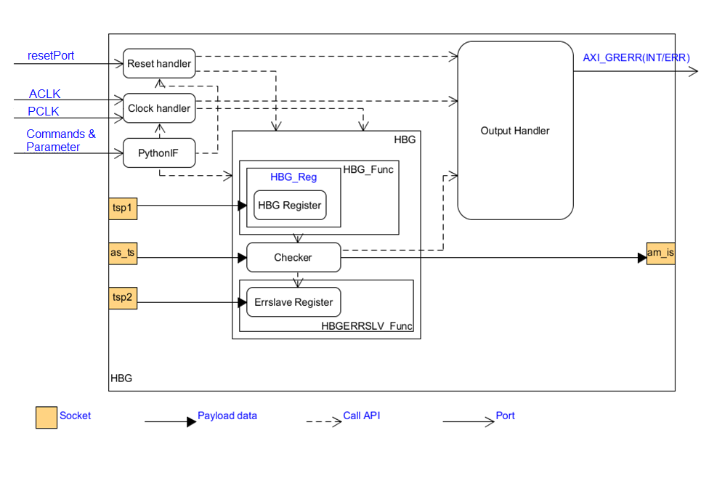
HBG model overview | Reference link
- HBG can prevent read and write access against which a peripheral circuit on H-Bus should be protected. If HBG detects illegal access, guard error notification is signaled to ECM. - It's modeled by 7 blocks as below figure: + The Clock Handler block processes clock signals (PCLK and ACLK) and correlative clock commands. + The Reset Handler block processes reset signal (resetPort) and correlative reset commands. + The PythonIF block processes parameters/commands supported to control other models. Refer to “Commands and parameters” sheet for more detail. + The Output Handler block processes output signal (AXI_GRERR). + The Checkers block handle Read/Write transactions from Bus Master, if the access is legal, the transaction is forwarded to bus slave device. Otherwise, transaction is not forwarded to am_is socket. + HBGERRSLV_Func block: when transaction is not forwarded to "am_is" socket. Error info is updated; an error output port AXI_GRERR is notified. + HBG_Func block stores model's registers & controls model's operation. * Users can access the model's registers by APB target socket “tsp1” * Instruction memory by AXI target socket “as_ts” + Target socket "tsp1" to access register of HBG_Reg in “HBG_Func” block. + Target socket "tsp2" to access register of Errslave Register in “HBGERRSLV_Func” block. + Target socket "as_ts" is input AXI transaction needed to check before forwarding to bus slave device. + Initiator socket "am_is" forwards AXI transaction (after check pass) to the bus slave device. | Commands_and_Parameters
All features of this model are listed in "Feature list" sheet | Feature_list
All registers of this model are listed in "Register_list" sheet | Register_list
The detail of input/output ports of this model is described in "Port_list" sheet | Port_list

HBG block diagram

Development_schedule
07/30/2018
08/06/2018
08/24/2018
09/06/2018
09/27/2018
10/01/2018

Investigate HWM

Make REQ
Implement
source code, create TMs
Function debug
Make internal specification
Make INR, USR

Requirement schedule

Appendix
REQ ID
REQ_08_01_001

REQ_08_01_002

REQ_08_01_003

REQ_08_01_004

REQ_08_01_005

Simulation time
sc_time_stamp
Expected format time
15 ps
15 ps
15 ps
1000 ps
1 ns
1000 ps
keep time unit
Timing format

REQ_08_02_001

